Print Page 1
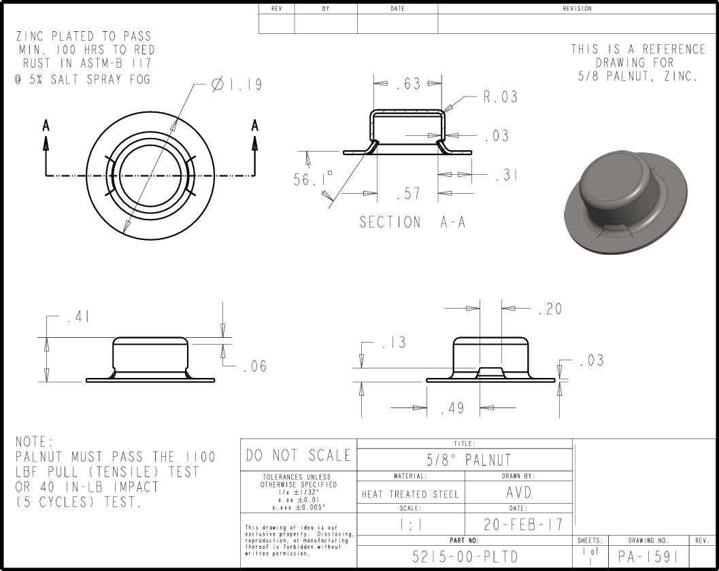

1
3

10

4

6
2
7

8
5

9

Tolerance Table
